subpivot
 | canceled | failed | live | successful
animation |  | 100
art books | 20
audio | 24
children's books |  | 40
classical music |  |  |  | 40
documentary |  |  |  | 180
drama |  | 80
electronic music |  |  |  | 40
faith |  | 40 | 20
fiction |  | 40
food trucks | 20 | 120
gadgets |  | 20
hardware |  |  |  | 140
indie rock |  | 20 |  | 140
jazz |  | 60
makerspaces |  | 11 |  | 9
metal |  |  |  | 20
mobile games |  | 40
musical | 20 | 60 |  | 60
nature |  | 20
nonfiction |  |  |  | 60
people |  | 20
photobooks |  | 57 |  | 103
places |  | 20
plays |  | 353 | 19 | 694
pop |  |  |  | 40
radio & podcasts |  |  |  | 20
restaurants |  | 20
rock |  |  |  | 260
science fiction | 40
shorts |  |  |  | 60
small batch |  |  | 6 | 34
space exploration | 18 | 2 |  | 40
spaces | 17 | 80 | 5 | 85
tabletop games |  |  |  | 80
television |  |  |  | 60
translations | 10 | 47
video games |  | 100
wearables | 60 | 120 |  | 20
web | 100 | 60
world music | 20
country | (All)
Parent Category | (All)

Count of name | Column Labels
Row Labels | canceled | failed | live | successful | Grand Total
animation |  | 100 |  |  | 100
art books | 20 |  |  |  | 20
audio | 24 |  |  |  | 24
children's books |  | 40 |  |  | 40
classical music |  |  |  | 40 | 40
documentary |  |  |  | 180 | 180
drama |  | 80 |  |  | 80
electronic music |  |  |  | 40 | 40
faith |  | 40 | 20 |  | 60
fiction |  | 40 |  |  | 40
food trucks | 20 | 120 |  |  | 140
gadgets |  | 20 |  |  | 20
hardware |  |  |  | 140 | 140
indie rock |  | 20 |  | 140 | 160
jazz |  | 60 |  |  | 60
makerspaces |  | 11 |  | 9 | 20
metal |  |  |  | 20 | 20
mobile games |  | 40 |  |  | 40
musical | 20 | 60 |  | 60 | 140
nature |  | 20 |  |  | 20
nonfiction |  |  |  | 60 | 60
people |  | 20 |  |  | 20
photobooks |  | 57 |  | 103 | 160
places |  | 20 |  |  | 20
plays |  | 353 | 19 | 694 | 1066
pop |  |  |  | 40 | 40
radio & podcasts |  |  |  | 20 | 20
restaurants |  | 20 |  |  | 20
rock |  |  |  | 260 | 260
science fiction | 40 |  |  |  | 40
shorts |  |  |  | 60 | 60
small batch |  |  | 6 | 34 | 40
space exploration | 18 | 2 |  | 40 | 60
spaces | 17 | 80 | 5 | 85 | 187
tabletop games |  |  |  | 80 | 80
television |  |  |  | 60 | 60
translations | 10 | 47 |  |  | 57
video games |  | 100 |  |  | 100
wearables | 60 | 120 |  | 20 | 200
web | 100 | 60 |  |  | 160
world music | 20 |  |  |  | 20
Grand Total | 349 | 1530 | 50 | 2185 | 4114

categ
country | (All)
 | canceled | failed | live | successful
film & video | 40 | 180 |  | 300
food | 20 | 140 | 6 | 34
games |  | 140 |  | 80
journalism | 24
music | 20 | 120 | 20 | 540
photography |  | 117 |  | 103
publishing | 30 | 127 |  | 80
technology | 178 | 213 |  | 209
theater | 37 | 493 | 24 | 839
Count of name | Column Labels
Row Labels | canceled | failed | live | successful | Grand Total
film & video | 40 | 180 |  | 300 | 520
food | 20 | 140 | 6 | 34 | 200
games |  | 140 |  | 80 | 220
journalism | 24 |  |  |  | 24
music | 20 | 120 | 20 | 540 | 700
photography |  | 117 |  | 103 | 220
publishing | 30 | 127 |  | 80 | 237
technology | 178 | 213 |  | 209 | 600
theater | 37 | 493 | 24 | 839 | 1393
Grand Total | 349 | 1530 | 50 | 2185 | 4114

month
 | canceled | failed | live | successful
Jan | 61907 | 270634 | 5848 | 365635
Feb | 47112 | 233091 | 42361 | 427940
Mar | 50111 | 210232 | 72660 | 347465
Apr | 35911 | 219885 |  | 405066
May | 36953 | 294889 |  | 543926
Jun | 47830 | 315880 |  | 473331
Jul | 64236 | 299598 |  | 414694
Aug | 49025 | 280810 |  | 390312
Sep | 44297 | 237094 |  | 322155
Oct | 25092 | 312970 |  | 381066
Nov | 63126 | 211715 |  | 358277
Dec | 44101 | 232934 |  | 220272
Parent Category | (All)
Years | (All)

Sum of id | Column Labels
Row Labels | canceled | failed | live | successful | Grand Total
Jan | 61907 | 270634 | 5848 | 365635 | 704024
Feb | 47112 | 233091 | 42361 | 427940 | 750504
Mar | 50111 | 210232 | 72660 | 347465 | 680468
Apr | 35911 | 219885 |  | 405066 | 660862
May | 36953 | 294889 |  | 543926 | 875768
Jun | 47830 | 315880 |  | 473331 | 837041
Jul | 64236 | 299598 |  | 414694 | 778528
Aug | 49025 | 280810 |  | 390312 | 720147
Sep | 44297 | 237094 |  | 322155 | 603546
Oct | 25092 | 312970 |  | 381066 | 719128
Nov | 63126 | 211715 |  | 358277 | 633118
Dec | 44101 | 232934 |  | 220272 | 497307
Grand Total | 569701 | 3119732 | 120869 | 4650139 | 8460441

sub
country | (All)
Parent Category | (All)
 | canceled | failed | live | successful
animation |  | 100
art books | 20
audio | 24
children's books |  | 40
classical music |  |  |  | 40
documentary |  |  |  | 180
drama |  | 80
electronic music |  |  |  | 40
faith |  | 40 | 20
fiction |  | 40
food trucks | 20 | 120
gadgets |  | 20
hardware |  |  |  | 140
indie rock |  | 20 |  | 140
jazz |  | 60
makerspaces |  | 11 |  | 9
metal |  |  |  | 20
mobile games |  | 40
musical | 20 | 60 |  | 60
nature |  | 20
nonfiction |  |  |  | 60
people |  | 20
photobooks |  | 57 |  | 103
places |  | 20
plays |  | 353 | 19 | 694
pop |  |  |  | 40
radio & podcasts |  |  |  | 20
restaurants |  | 20
rock |  |  |  | 260
science fiction | 40
shorts |  |  |  | 60
small batch |  |  | 6 | 34
space exploration | 18 | 2 |  | 40
spaces | 17 | 80 | 5 | 85
tabletop games |  |  |  | 80
television |  |  |  | 60
translations | 10 | 47
video games |  | 100
wearables | 60 | 120 |  | 20
web | 100 | 60
world music | 20
Count of name | Column Labels
Row Labels | canceled | failed | live | successful | Grand Total
animation |  | 100 |  |  | 100
art books | 20 |  |  |  | 20
audio | 24 |  |  |  | 24
children's books |  | 40 |  |  | 40
classical music |  |  |  | 40 | 40
documentary |  |  |  | 180 | 180
drama |  | 80 |  |  | 80
electronic music |  |  |  | 40 | 40
faith |  | 40 | 20 |  | 60
fiction |  | 40 |  |  | 40
food trucks | 20 | 120 |  |  | 140
gadgets |  | 20 |  |  | 20
hardware |  |  |  | 140 | 140
indie rock |  | 20 |  | 140 | 160
jazz |  | 60 |  |  | 60
makerspaces |  | 11 |  | 9 | 20
metal |  |  |  | 20 | 20
mobile games |  | 40 |  |  | 40
musical | 20 | 60 |  | 60 | 140
nature |  | 20 |  |  | 20
nonfiction |  |  |  | 60 | 60
people |  | 20 |  |  | 20
photobooks |  | 57 |  | 103 | 160
places |  | 20 |  |  | 20
plays |  | 353 | 19 | 694 | 1066
pop |  |  |  | 40 | 40
radio & podcasts |  |  |  | 20 | 20
restaurants |  | 20 |  |  | 20
rock |  |  |  | 260 | 260
science fiction | 40 |  |  |  | 40
shorts |  |  |  | 60 | 60
small batch |  |  | 6 | 34 | 40
space exploration | 18 | 2 |  | 40 | 60
spaces | 17 | 80 | 5 | 85 | 187
tabletop games |  |  |  | 80 | 80
television |  |  |  | 60 | 60
translations | 10 | 47 |  |  | 57
video games |  | 100 |  |  | 100
wearables | 60 | 120 |  | 20 | 200
web | 100 | 60 |  |  | 160
world music | 20 |  |  |  | 20
Grand Total | 349 | 1530 | 50 | 2185 | 4114

success rates
Goal | Number Successful | Number Failed | Number Canceled | Total Projects | Percentage Successful | Percentage Failed | Percentage Canceled
Less Than 1000 | 322 | 113 | 18 | 453 | 71% | 25% | 4%
1000 to 4999 | 3117 | 1950 | 409 | 5476 | 57% | 36% | 7%
5000 to 9999 | 2566 | 1813 | 401 | 4780 | 54% | 38% | 8%
10000 to 14999 | 2353 | 1674 | 389 | 4416 | 53% | 38% | 9%
15000 to 19999 | 2279 | 1620 | 366 | 4265 | 53% | 38% | 9%
20000 to 24999 | 2247 | 1602 | 363 | 4212 | 53% | 38% | 9%
25000 to 29999 | 2018 | 1230 | 245 | 3493 | 58% | 35% | 7%
30000 to 34999 | 2217 | 1567 | 362 | 4146 | 53% | 38% | 9%
35000 to 39999 | 3935 | 2662 | 570 | 7167 | 55% | 37% | 8%
40000 to 44999 | 2206 | 1546 | 355 | 4107 | 54% | 38% | 9%
45000 to 49999 | 2099 | 1301 | 267 | 3667 | 57% | 35% | 7%
Greater than or equal to 50000 | 86 | 258 | 100 | 444 | 19% | 58% | 23%

Outcomes Based on Goal

categ chart by state
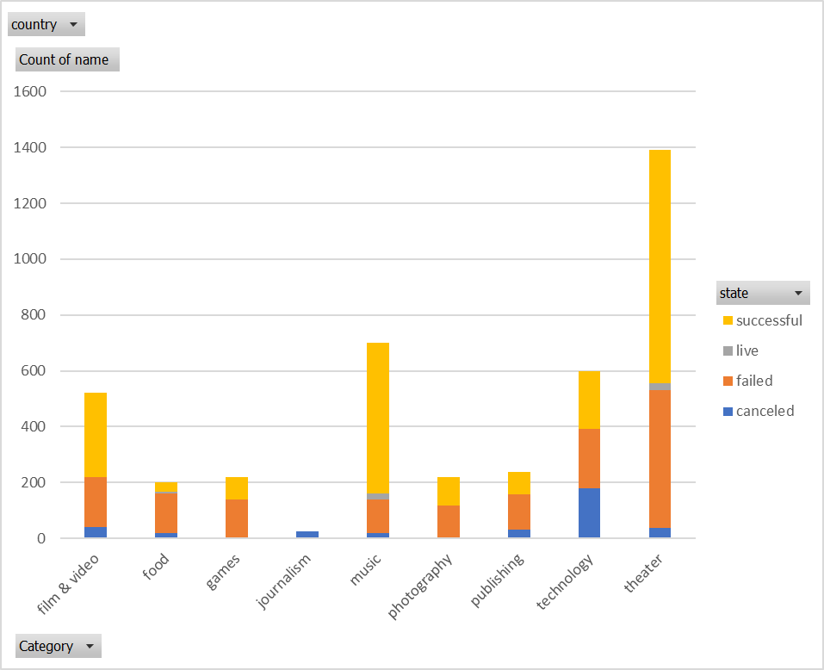

sub-chart with state
